Best_Players_in_PL_2025
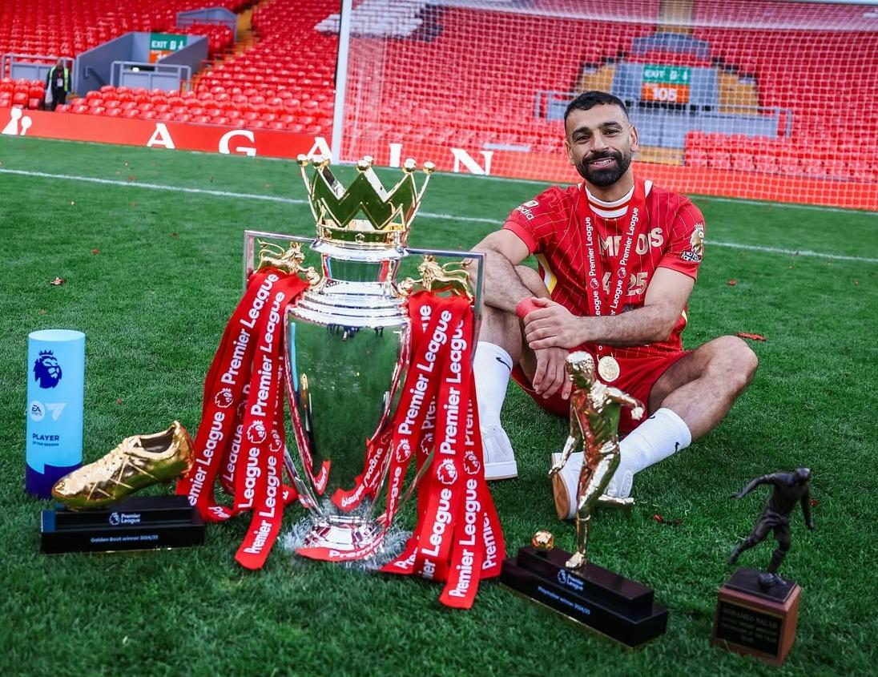

How Mohamed Salah Dominated the Premier League and Won Premier League Player of the Season 2024-2025

Player | Goals | Assists | Contributions
Mohamed Salah | 29 | 18 | 47
Alexander Isak | 23 | 6 | 29
Erling Haaland | 22 | 3 | 25
Chris Wood | 20 | 3 | 23

Bryan Mbeumo | 20 | 7 | 27
Yoane Wissa | 19 | 4 | 23
Ollie Watkins | 16 | 8 | 24
Cole Palmer | 15 | 8 | 23
Matheus Cunha | 15 | 6 | 21
Jean-Philippe Mateta | 14 | 2 | 16

